Introduction
Welcome to my achievement asset pack.
This asset pack can be used to create achievements for your game. Other uses can include a checkpoint system for example, which would be the position type of achievement.
For this asset pack I used the Brecht Lecluyse’s custom hide property for hiding variables.
This was retrieved from :http://www.brechtos.com/hiding-or-disabling-inspector-properties-using-propertydrawers-within-unity-5/

Creating an Achievement Item -
Creating the Basic Achievement Item Prefab
 | Image | Step
Step 1: | 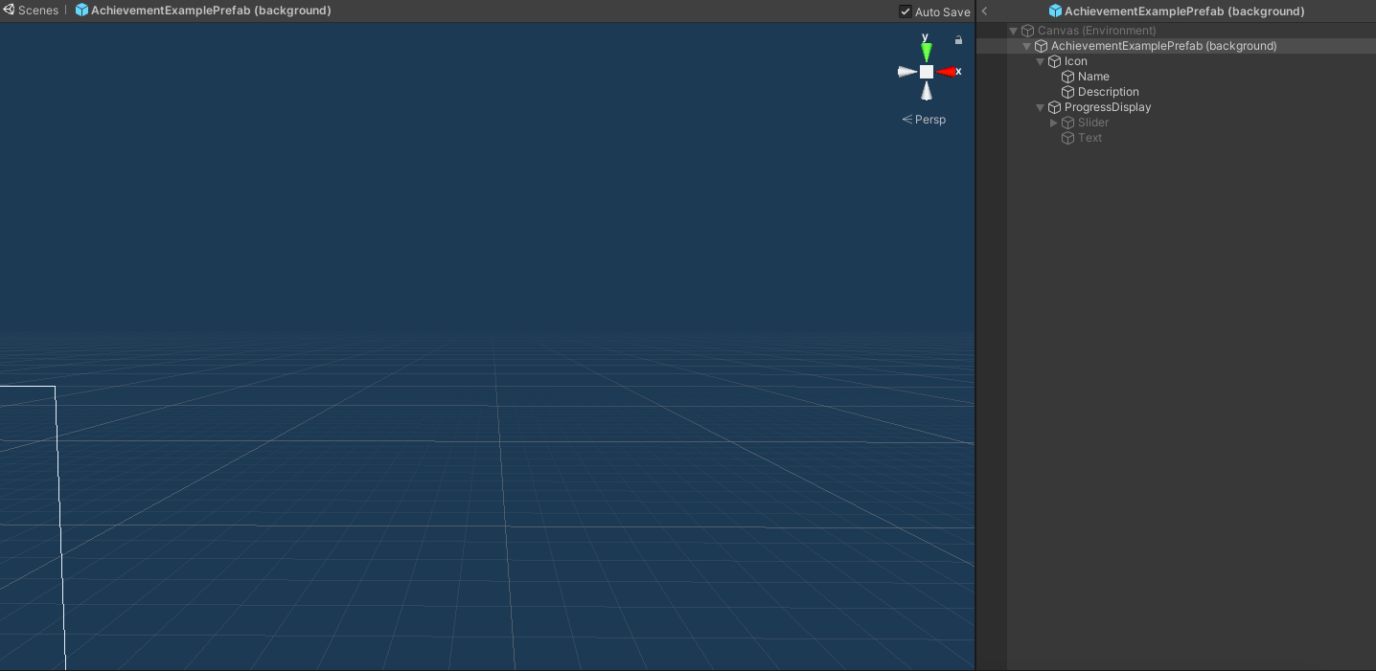 | Create a new Image object, which will serve as the background for the achievement item
Step 2: |  | As a child add a new image object which will serve as the Icon for the achievement item
Step 3: |  | Then give the icon object two Text objects as children. These will serve aas the title for the achievement as well as the description
Step 4: |  | Create the progress display parent object and add a slider as a child and then a text object as a child.
Step 5: |  | Disable the progress display parent as well as the two children
Important 1: |  | The title and description text objects need to be children of the same object
Important 2: |  | The progress display needs to be the second child of the background object
Important 3: |  | The order for the progress display children needs to be slider and then the text object

Setting up the Achievement List
Setting up the Achievement List
 | Image | Variable explanation
Step 1: |  | Create an empty object and add the “Achievements List” script to that object.
Variable 1: Available Achievements | 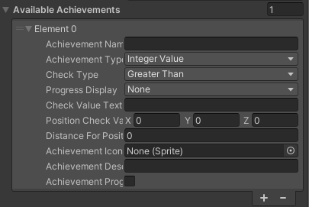 | Create all the achievements that you want to have in your project. Look at the table Achievement List Variables for an explanation of the variables.
Variable 2: Should Display Achievement | 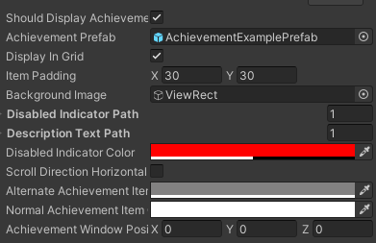 | If the achievements should be displayed enable this. This will also show the rest of the variables
Variable 3: Achievement Prefab |  | Include the prefab from the first instructions here
Variable 4: Display in Grid |  | if the achievements should be displayed in a grid format then enable this. If a single column/row is desired disable this
Variable 5: Background Image |  | Include the Object where the achievement items should be added. If left empty they will be added to the game object where this script is attached
Variable 6: Disable Indicator Path |  | The path that is needed to get to the image that should indicate that the achievement is uncompleted. In the example that is the Icon object. It uses the GetChild function so the first child of the object will be 0.
Variable 7: Description Text Path |  | The path that is needed to get to the object the text objects are children of (title and description from the achievement prefab). In the example they are added to the icon object so the path is the same.
Variable 8: Scroll Direction Horizontal |  | When this is enabled the achievements will be arranged in a row otherwise will be arranged in a column list
Variable 9: Alternate Achievement Item Color |  | The background color that every second item will receive can be made the same color as the normal color if this is not desired.
Variable 10: Achievement Window Position |  | The location where the achievement window should be positioned.
Optional: |  | Add a Scroll Rect for a scrollable achievement list.

Creating the Banner - Banner Cr
Banner Creation
 | Image | Steps
Step 1: | 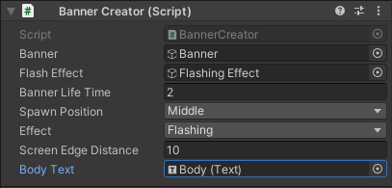 | Create an empty object in a canvas and add the “Banner Creator” script to it.
Step 2: |  | The screen edge distance is a percentage value from the screen resolution.
Step 3: |  | Create an image object. This will serve as the background for the banner
Step 4 (Optional): |  | Add another image that is slightly larger than the background as a child of the background. This is for the flashing effect so this only needs to be done if the flashing effect is desired.
Step 5: |  | Create an image as a child of the background this will be the icon of the banner
Step 6: |  | Create a header object and a body object as children of the background.
Step 7: |  | Finish assigning the variables in the “Banner Creator” script.

